Direct Costs
Cost elements | Base Case | Low/P5 | Mid/P50 | High/P95 | Low/P5 | Mid/P50 | High/P95 | Sampled | TruncMax
Land | 2,000 | 90% | 100% | 150% | 1,800 | 2,000 | 3,000 | 2,117 | 4,000
Buildings | 5,000 | 90% | 100% | 115% | 4,500 | 5,000 | 5,750 | 5,046
Raw Mats | 4,000 | 90% | 100% | 120% | 3,600 | 4,000 | 4,800 | 4,074
Salaries etc | 2,000 | 90% | 100% | 115% | 1,800 | 2,000 | 2,300 | 2,018
IT | 1,000 | 90% | 100% | 115% | 900 | 1,000 | 1,150 | 1,009
Vehicles | 500 | 90% | 100% | 115% | 450 | 500 | 575 | 505
Marketing | 1,500 | 90% | 100% | 115% | 1,350 | 1,500 | 1,725 | 1,514
Other general overhead | 2,500 | 90% | 100% | 115% | 2,250 | 2,500 | 2,875 | 2,523

Output
Totals | 18,500,000 |  | Values scaled to dollars from 000's. |  |  |  |  | 18,805,093

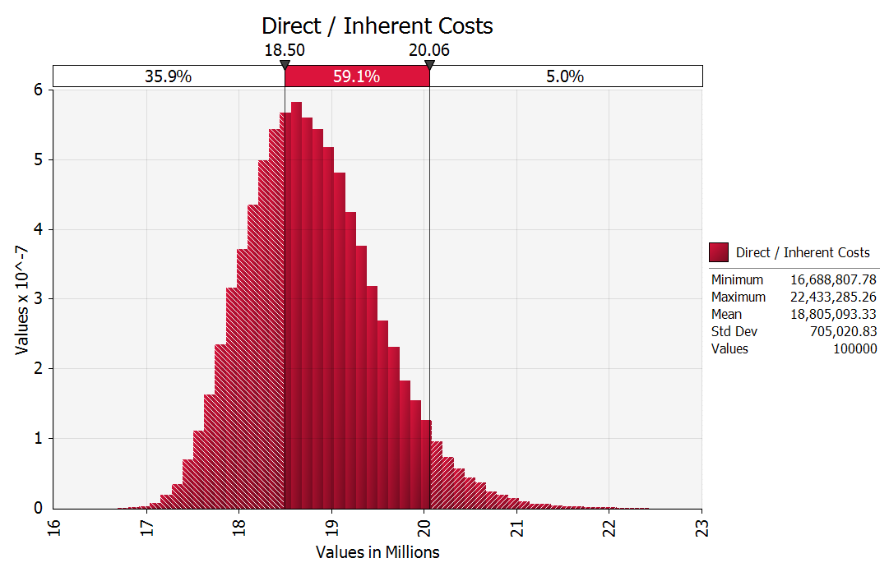
Summary statistics |  |  | @RISK graph
Probability of meeting base case value | 35.87%
Total budget required for 90% confidence | 20,057,345
Contingency required for 90% confidence | 1,557,345

Indirect Costs
Uncertain inputs
Event | Probability or Mean | Sampled Frequency | Impact if occurs once | Sampled or Possible Impact | Lower Limit | Low | Mid | High | Upper Limit | 99.999% | Min | Sim Max
Major failure of IT system | 10% | 0 | $553,237 | $55,047 |  | $490,000 | $500,000 | $800,000 | $3,000,000 | $2,995,601 | $489,655 | $2,932,730
Problem with manufacturing process | 5% | 0 | $53,748 | $2,686 |  | $40,000 | $50,000 | $80,000 |  | $293,943 | $35,000 | $167,746
Serious illness of a board member | 5% | 0 | $137,483 | $6,859 |  | $0 | $100,000 | $400,000 |  | $2,539,431 | -$50,000 | $1,437,810
Employee wins law suit | 8% | 0 | $259,371 | $20,718 |  | $225,000 | $250,000 | $325,000 |  | $859,858 | $212,500 | $614,475
Entry of new competitor | 1.0 | 1 | $437,483 | $436,436 |  | $300,000 | $400,000 | $700,000 |  | $2,839,431 | $250,000 | $3,808,329
Failure of new product launch | 15% | 0 | $431,586 | $64,467 | $25,000 | $50,000 | $300,000 | $1,200,000 |  | $9,576,584 | $25,000 | $9,633,827
Strengthening of dollar exchange rate | 35% | 0 | $103,748 | $36,303 |  | $90,000 | $100,000 | $130,000 |  | $343,943 | $85,000 | $270,256
Fire in head office | 2% | 0 | $327,613 | $0 | $10,000 | $50,000 | $250,000 | $850,000 |  | $5,135,056 | $10,000 | $3,515,498
Fraud | 0.2 | 0 | $593,707 | $117,722 | $25,000 | $250,000 | $500,000 | $1,250,000 |  | $6,598,578 | $125,000 | $5,742,606
Confidential data lost | 1.2 | 1 | $337,483 | $404,364 |  | $200,000 | $300,000 | $600,000 |  | $2,739,431 | $150,000 | $3,744,224
Large customer goes bankrupt | 20% | 0 | $155,622 | $31,116 |  | $135,000 | $150,000 | $195,000 |  | $515,915 | $127,500 | $526,986
All events are either one-offs or countable without obvious boundaries.

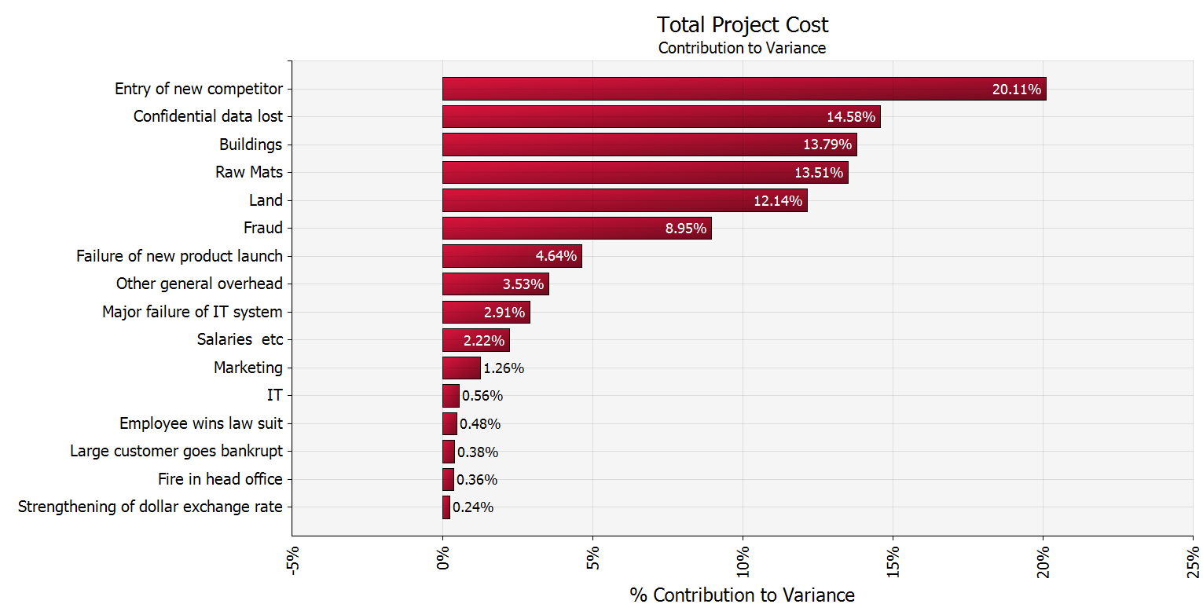
Output |  |  | @RISK graph
Indirect / Contingent Risks | $1,175,718
Direct / Inherent Costs | $18,805,093
Total Project Cost | $19,980,811

Summary statistics
Mean total impact | $1,184,515
Stdev total impact | $749,183
P(total impact <= $0) | 2.9%
P(total impact > $1 million) | 54.3%

